Sheet1
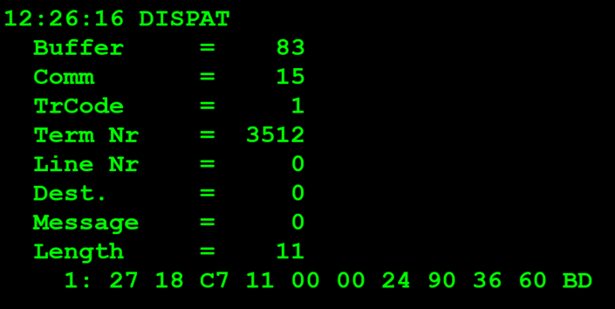
TestByte |  | Size | Field Contents
Start | End |  |  |  | Hexa | Bin | Dec
1 | 1 | 1 | Control | Sequence | 27 | Control=0010 Sequence=0111 | 2 7 | Control -> x10 - Application Message Sequence -> 7
2 | 2 | 1 | Type = 1 | Subtype = see below | 18 | Type=0001 Subtype=1000 | Type=1 Subtype=8 | Type = 3 Subtype = 8 (New Validation Inquiry Cash Payment Accepted )
3 | 4 | 2 | Checksum |  | … | … | … | …
5 | 5 | 1 | Statistics (see below) |  | 00 |  | 0 | x00 = Manuel Entry
6 | 7 | 2 | Wager Julian Date |  | 00 24 |  | 36 | 36 = 21+5
8 | 10 | 3 | Wager Serial Number |  | 90 36 60 |  | 9451104 | 09.451.104
11 | 11 | 1 | Wager Check Digits |  | BD |  | 189 | 189

TestByte |  | Size | Field Contents
Start | End
1 | 1 | 1 | Control | Sequence | 27 | Control=0010 Sequence=0111 | 2 7 | Control -> x10 - Application Message Sequence -> 7
2 | 2 | 1 | Type = 1 | Subtype = see below | 18 | Type=0001 Subtype=1000 | Type=1 Subtype=8 | Type = 3 Subtype = 8 (New Validation Cash Payment Accepted )
3 | 4 | 2 | Checksum |  | … | … | … | …
5 | 7 | 3 | Time |  | 0C 1A 10 |  | 12 26 16 | 12:26:16 (HH:MM:SS)
8 | 10 | 3 | Validation Serial Number |  | D4 0D 5C |  | 13897052 | 13897052
11 | 11 | 1 | Validation Check Digits |  | 87 |  | 8847619 | 8847619
12 | 12 | 1 | Game Type |  | 01 |  | 1 | Totoloto
13 | 13 | 1 | Game Index |  | 03 |  | 3 | Totoloto de Sabado
14 | 14 | 1 | Validation Status |  | 0A |  | 10 | No Exchange Ticket (Alls this status)
15 | 18 | 4 | Cash Amount (Validation Units) |  | 00 00 00 5A |  | 90 | 90 cent
19 | 22 | 4 | Refund Amount (Validation Units) |  | 00 00 00 00 |  | 0 | 0

